PO 1
This was the first purchase order submitted for the V2 robot. These parts were used for prototyping to determine if they would be used in the final design. Importantly, the Solidlite photodiodes were shown to have some change in voltage depending on the surface condition. Also, the geared DC motors appeared sufficient to drive both robot locomotion and tool actuation.
Item | Quantity | Cost Per | Cost | Running Total
BF5A04GA-NPD | 10 | $0.55 | $5.50 | $5.50
SLD-70BG2A | 2 | $6.83 | $13.66 | $19.16
OVLAW4CB7 | 10 | $0.53 | $5.30 | $24.46
DEV-20360 | 1 | $35.70 | $35.70 | $60.16
102010469 | 1 | $15.99 | $15.99 | $76.15
113991115 | 1 | $13.99 | $13.99 | $90.14
IND-GM-615-136 | 3 | $5.35 | $16.05 | $106.19
ROB-11015 | 2 | $5.50 | $11.00 | $117.19
DSOS-0416-03D | 1 | $7.83 | $7.83 | $125.02

IO Budget
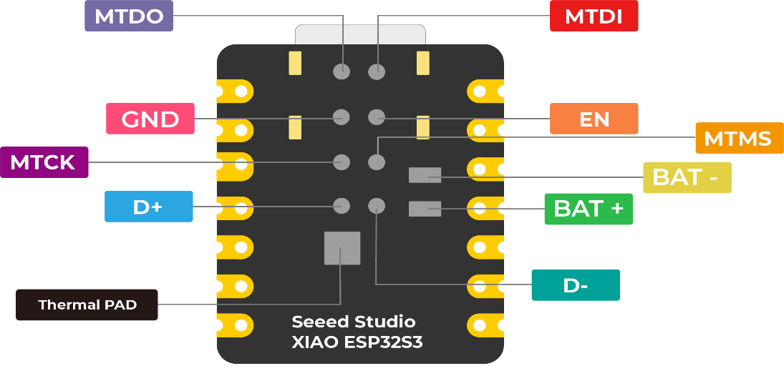
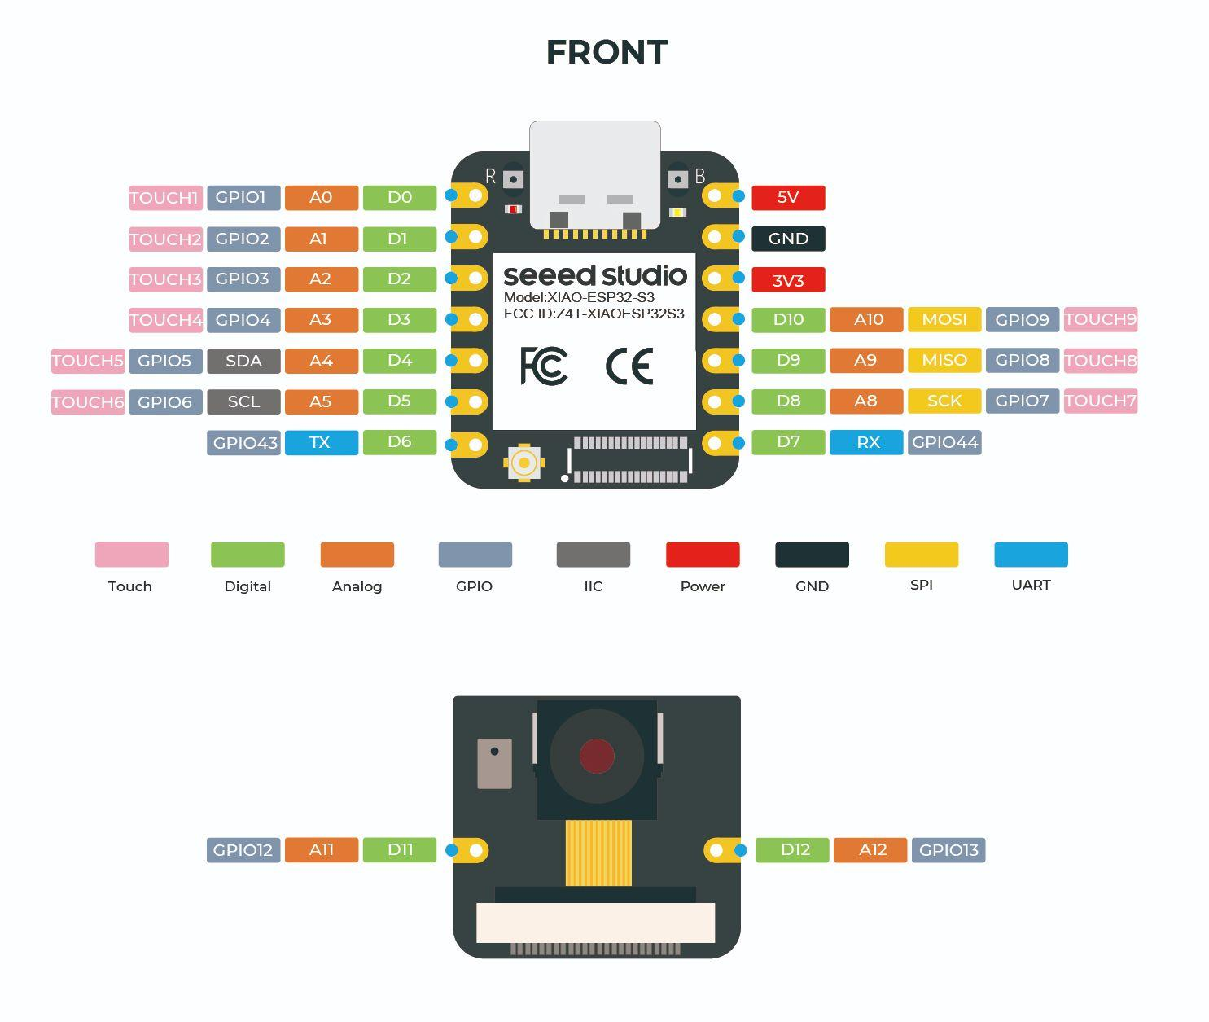
- Each main drive motor controller needs 2 inputs to control speed and direction (4 total)
- The main actuator can get away with 1 input and have direction controlled by a switch (1 total)
- The tool can also get away with 1 (1 total)
- Illumination of the surface can be controlled by a switch (0 total)
- The amplified photodiode output needs an ADC input (1 total)
Starting with 11 GPIO, this leaves 4 remaining
- Each collision direction needs a switch. Four directions? (4 total)
That's it, pretty much no room left.
Add a thru hole to go from the sense board D11 to a tool top dead center sensor, can be wired manually

Camera
I would like to use the OV5640 camera to image the surface. It seems from this video that a minimum distance of 3cm between the lens and the surface can be achieved using the autofocus:
https://www.youtube.com/watch?v=922BWy3OOoQ&t=0s

LED driver BJT
This page goes over the calculations for the selected LED. Each LED will be controlled by a transistor which is switched by the MCU. An appropriate set of resistors is needed to ensure the appropriate currents flow through the transistor and LED.
See Art of Electronics, third edition, page 74 for their LED switching example.
No current limiting resistor is needed since the maximum forward voltage drop is larger than the supply voltage. Plus, the voltage at the low side of the LED will be at the saturation voltage of the transistor, slightly above GND.
The datasheet for the transistor has a plot of saturation voltage (i.e. the forward diode drop between the base and emitter terminals at saturation) compared with the collector current. We know that the transistor will need to flow about 70mA through the LED (i.e. through the collector). The intersection of the T=25C line with this collector current value is around 0.8V. This will let us calculate the current limiting resistor value for the transistor base.
The final resistor value can be achieved by two 100 ohm resistors in series
Quantity | Value | Unit | Alt. Value | Alt. Unit
LED
LED JLCPCB PN | C282149
LED forward voltage minimum | 2.9 | V
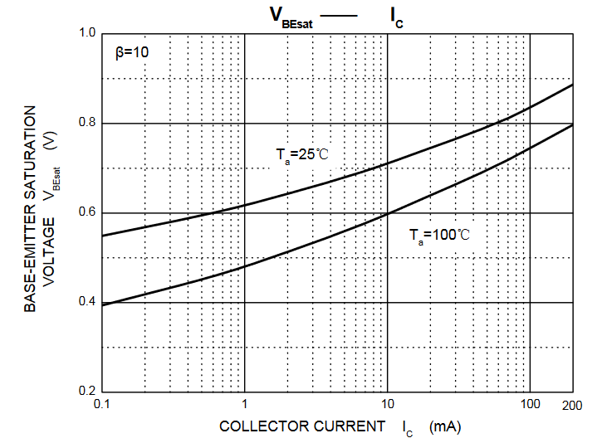
LED forward voltage maximum | 3.6 | V
LED forward current | 75 | mA | 0.075 | A
LED datasheet power dissipation | 270 | mW | 0.27 | W
LED calculated dissipation minimum | 217.5 | mW | 0.2175 | W
LED calculated dissipation maximum | 270 | mW | 0.27 | W
MCU
Supply voltage | 3.3 | V
Pin high | 3.3 | V
Desired pin supply current | 10 | mA | 0.01 | A
Transistor
Transistor JLCPCB PN | C2145
Transistor HFE minimum | 50
Transistor HFE maximum | 300
Collector-emitter saturation | 0.2 | V
Base-emitter saturation | 0.8 | V
Design
Voltage drop required | 2.5 | V
Current through that voltage drop | 0.01 | A
Theoretical current, minimum gain | 0.5 | A
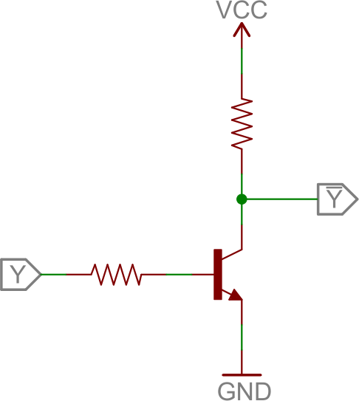
Theoretical gain safety factor | 6.6666666667
Required resistance | 250 | Ohm
Nearest resistance | 200 | Ohm
Actual current drop | 0.0125 | A
Theoretical current, minimum gain | 0.625 | A
Actual gain safety factor | 8.3333333333
Actual resistor dissipation (total) | 0.03125 | W
Total power loss per LED maximum | 0.30125 | W

Photodiode amplifier
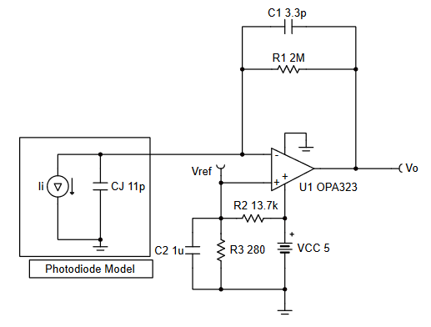
This page goes over the calculations for amplifying the output of a photodiode, which will be used to detect the level of light reflected off the indented surface.
This will basically map the output of the photodiode into the range we want to read using the microcontroller. I am using this tutorial from TI:
https://www.ti.com/lit/an/sboa220b/sboa220b.pdf?ts=1715461622312
The gain resistor is selected based on the desired range of output voltages, in this case between 0V and the max voltage which can be read by the ADC pin on the MCU.
Quantity | Value | Unit | Alt. Value | Alt. Unit | Notes
Photodiode
Digikey PN | BF5A04GA-NPD
Open-circuit voltage | 0.35 | V
Short-circuit current | 40 | uA | 0.00004 | A
Max current expected | 2.5 | uA | 0.0000025 | A | Current expected when light shining on highly-textured surface
Capacitance | 25 | pF | 2.5E-11 | F
MCU
Full-scale on ADC pin | 2.5 | V
Minimum voltage | 0.1 | V
Op-amp
JLCPCB PN | C395459
Bandwidth | 1 | MHz
Design
Resistor to convert FS | 1000000 | Ohm | 1000 | kOhm | Gain resistor in op-amp circuit, should be through-hole mounted (replaceable)
Desired circuit bandwidth | 20 | kHz | 20000 | Hz
Feedback capacitor | 7.96E-12 | F | 7.958 | pF
Nearest available capacitor |  |  |  |  | Choose larger since it will increase the bandwidth and accommodate changes to the gain resistor
Gain bandwidth required | 82832 | Hz | 82.8 | kHz
Second network resistor | 1000 | Ohm
First network resistor | 24000 | Ohm
Network capactor | 1 | uF | 0.000001 | F
Resulting cutoff frequency | 166 | Hz

 |  |  |  |  |  | EXAMPLE

